Table 1
IDTA 02034-1-0 Creation and classification of materials in an ERP, PDM/PLM and PIM system
June 2024
S P E C I F I C A T I O N
Submodel Template of the Asset Administration Shell

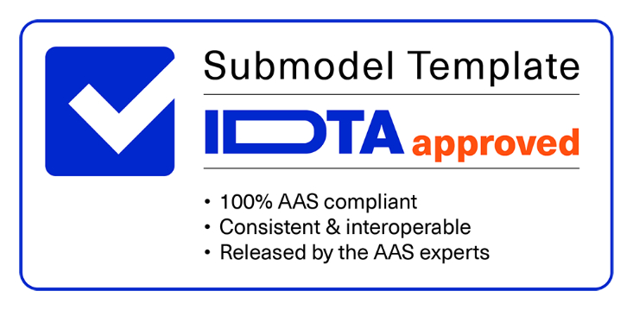

Imprint
Publisher Industrial Digital Twin Association Lyoner Strasse 18 60528 Frankfurt am Main Germany https://www.industrialdigitaltwin.org/ Version history
Date | Version/Revision | Comment
2024-06-14 | 1.0 | Release of the official Submodel template published by IDTA.
Contents
1 General 6 1.1 About this document 6 1.2 Scope of the Submodel 6 1.3 Relevant standards for the Submodel template 7 1.4 Use cases, requirements and design decisions 7 2 Submodel Creation and Classification of materials in an ERP, PDM/PLM and PIM system 9 2.1 Approach 9 2.2 Submodel Elements of Specification Creation and classification of materials in an ERP, PDM/PLM and PIM system 9 2.3 Properties of the SMC “MaterialSystemProperties” 11 Annex A. Explanations on used table formats 13 1. General 13 2. Tables on Submodels and SubmodelElements 13 Bibliography 14
Figures
Figure 1: Concept about the use case of Material Creation and Classification in ERP, PIM, PDM/PLM 7 Figure 2: UML diagram showing the structure of the Submodel 9
Tables
Table 1: Submodel Specification Creation and classification of materials in an ERP, PDM/PLM and PIM system 10 Table 2: Submodel Elements of Specification Creation and classification of materials in an ERP, PDM/PLM and PIM system 11
1 General
1.1 About this document This document is a part of a specification series. Each part specifies the contents of a Submodel template for the Asset Administration Shell (AAS). The AAS is described in [1], [2], [3] and [6]. First exemplary Submodel contents were described in [4], while the actual format of this document was derived by the "Administration Shell in Practice" [5]. The format aims to be very concise, giving only minimal necessary information for applying a Submodel template, while leaving deeper descriptions and specification of concepts, structures and mapping to the respective documents [1] to [6]. The target group of the specification are developers and editors of technical documentation and manufacturer information, which are describing assets in smart manufacturing by means of the Asset Administration Shell (AAS) and therefore need to create a Submodel instance with a hierarchy of SubmodelElements. This document especially details on the question, which SubmodelElements with which semantic identification shall be used for this purpose.
1.2 Scope of the Submodel The Submodel "Creation and classification of materials in an ERP, PDM/PLM and PIM system" has been designed to provide a standardized interface for the creation and classification of materials across various system environments. Its aim is to ensure a consistent and efficient process for the creation and classification of material data within Enterprise Resource Planning (ERP), Product Information Management (PIM), and Product Lifecycle Management (PLM) / Product Data Management (PDM) systems. A Material Master must exist as an object so that Classifications to this Material can be assigned correspondingly.
Core Functions and Application Areas:
One-time Definition of Characteristics: This Submodel allows users to define and configure relevant material data characteristics once. These characteristics are derived from existing Submodels and consolidated into a unified mapping, serving as the foundation for material creation across different systems.
Integrated Linking: Upon the retrieval of an Asset Administration Shell, the " Creation and classification of materials in an ERP, PDM/PLM system" Submodel is directly linked to facilitate seamless integration and creation of material data. This process supports the standardized collection and processing of material information across system boundaries.
Import-capable Software Support: The implementation of this Submodel requires an import-capable software solution that serves as the base for processing the " Creation and classification of materials in an ERP, PDM/PLM system " Submodel and any additionally added Submodels. This software must be capable of importing, processing, and linking the defined characteristics to the Asset Administration Shell.
Data Return and Reuse: After successful material creation, generated data such as material numbers are returned to the Asset Administration Shell. These details can be used for creation in additional systems or stored for archival purposes.
This Submodel aims to enhance efficiency and consistency in material creation and classification by offering a standardized method for data management across ERP, PIM, and PDM/PLM systems. By streamlining the
material creation process, the Submodel supports enterprises in optimizing their material data management and promotes interoperability among various systems and platforms. 1.3 Relevant standards for the Submodel template According to [3], interoperable properties might be defined by standards, consortium specifcations or manufacturer specifications. For the former two cases, so called dictionaries, repositories or classification systems exist in the market. In the further document, these entities are summarized by "property dictionaries" (see Terms and Definitions of [6]). Such property dictionaries include: ECLASS, see: https://www.eclasscontent.com/ • IEC CDD, see: https://cdd.iec.ch/cdd/iec61987/iec61987.nsf and https://cdd.iec.ch/cdd/iec62683/cdddev.nsf 1.4 Use cases, requirements and design decisions
Figure 1: Concept about the use case of Material Creation and Classification in ERP, PIM, PDM/PLM
Use Cases:
The Submodel "Material Creation and Classification in ERP, PIM, PDM/PLM" is versatile and can be applied in a wide array of scenarios within the domains of material management and data integration across various systems. It is especially useful in environments where:
Standardized Material Creation is necessary across multiple platforms (ERP, PIM, PDM/PLM) to ensure consistency and efficiency in how material data is generated and maintained. Data Integration between disparate systems requires a unified approach to material classification, facilitating seamless data exchange and interoperability. Automated Data Mapping processes are crucial for organizations aiming to simplify the incorporation of material characteristics into their target systems, thereby reducing manual efforts and potential errors.
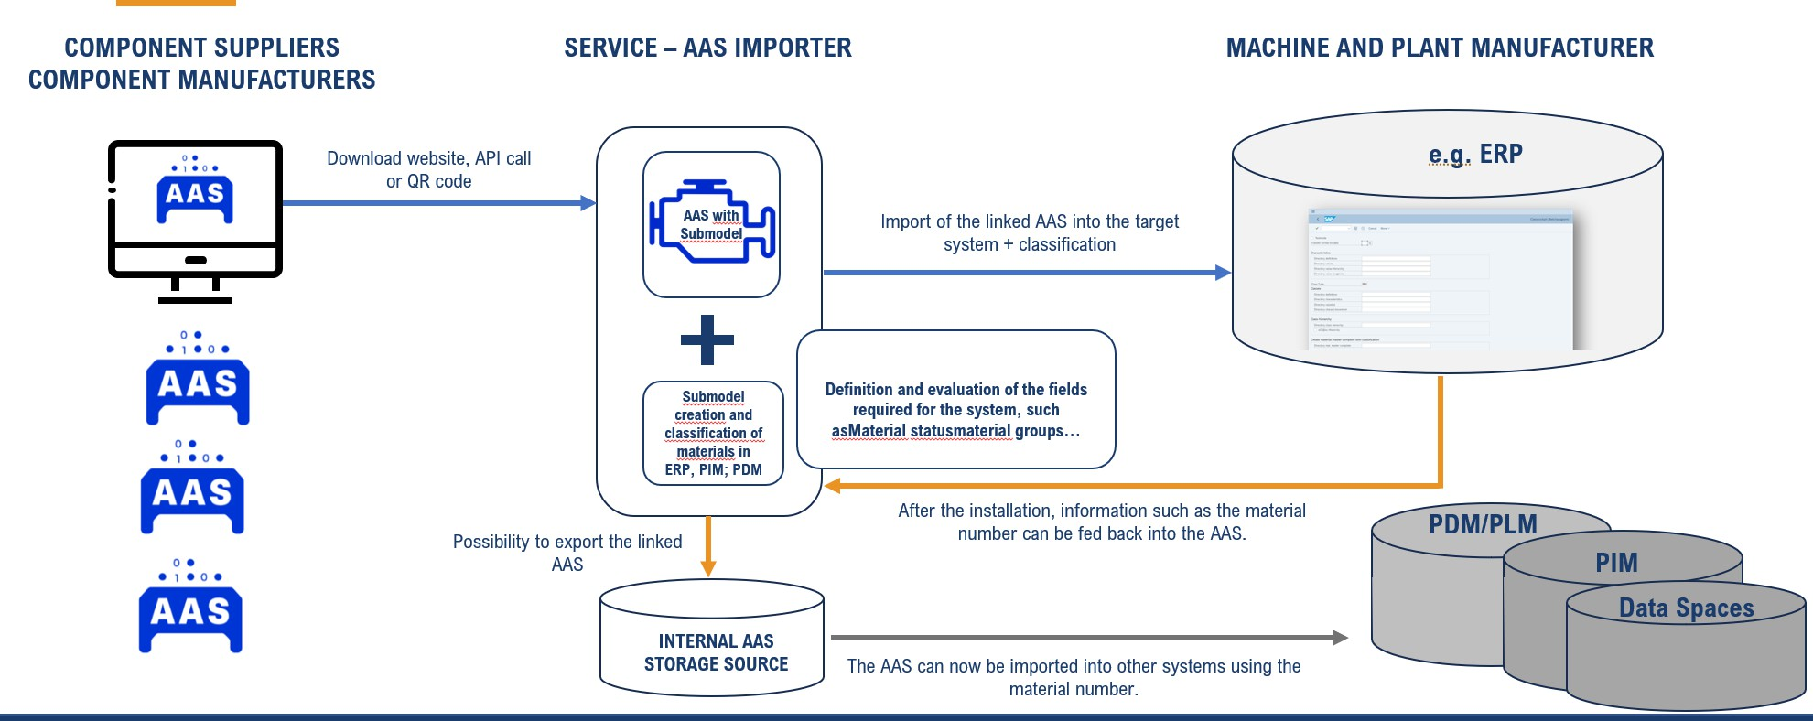
Requirements:
For successful deployment and utilization of this Submodel, the following requirements must be met:
Flexible Mapping of Characteristics: The ability to flexibly define and adjust material characteristics to meet the specific requirements of target systems is essential. This demands a thorough analysis of the system landscape and data structures to ensure effective integration.
Software Support: The underlying software must be capable of not only importing but also processing the Submodel and its associated data structures. This includes support for mapping, data processing, and returning information to the Asset Administration Shell.
Design Decisions:
The design of this Submodel was driven by the need to create a universally applicable framework for material creation and classification that is both flexible and interoperable. Key design decisions include:
Modular Structure: The Submodel has been designed with modularity in mind to facilitate easy customization and extension. This supports integration with different systems and accommodates future requirements.
Standards: A focus on using open standards has been crucial in the development to promote compatibility and exchange between various systems and platforms.
User-Centric Configuration: The Submodel enables end-users to configure characteristics and data flows according to their specific needs, ensuring high adaptability and ease of use.
Collaborative Development: The current state of the Submodel is based exclusively on the collaboration of its participants. Other software or software providers interested in standardizing their relevant fields are encouraged to get in touch to potentially incorporate their inputs into future versions of the Submodel.
2 Submodel Creation and Classification of materials in an ERP, PDM/PLM and PIM system
2.1 Approach The "Creation and classification of materials in ERP, PDM/PLM and PIM systems" Submodel provides a standardized interface for efficient material management across different systems. It enables the unique definition of properties, integrated connections for seamless integration, support for import-capable software and the return of created material data for reuse. This promotes efficiency and consistency in material creation and classification.
2.2 Submodel Elements of Specification Creation and classification of materials in an ERP, PDM/PLM and PIM system The Figure 2 shows the UML-diagram defining the relevant properties which need to be set. Table 1 describes the details of the Submodel structure.
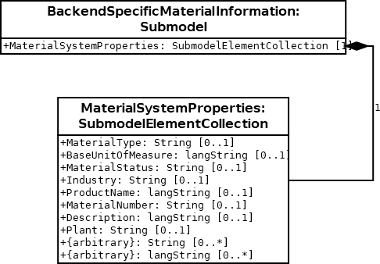
Figure 2: UML diagram showing the structure of the Submodel

